Blad1
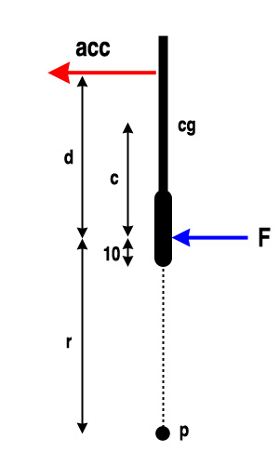
Name | Wilson BLX Pro Staff 90 | Wilson BLX Cierzo Two
Length (cm) | 68.6 | 69.2
Balance (+-pts) | -8 | 8
Weight (g) | 357 | 278
Swingweigth (kgcm^2) | 327 | 350
d (cm) | 40 | 40
c (cm) (don't fill in) | 21.8 | 27.1

15/r | Wilson BLX Pro Staff 90 | Wilson BLX Cierzo Two
0 | 357 | 278
0.1 | 375 | 311
0.2 | 406 | 353
0.3 | 444 | 400
0.4 | 486 | 450
0.5 | 531 | 501
0.6 | 578 | 554
0.7 | 626 | 609
0.8 | 675 | 663
0.9 | 725 | 719
1 | 776 | 774

